Cover
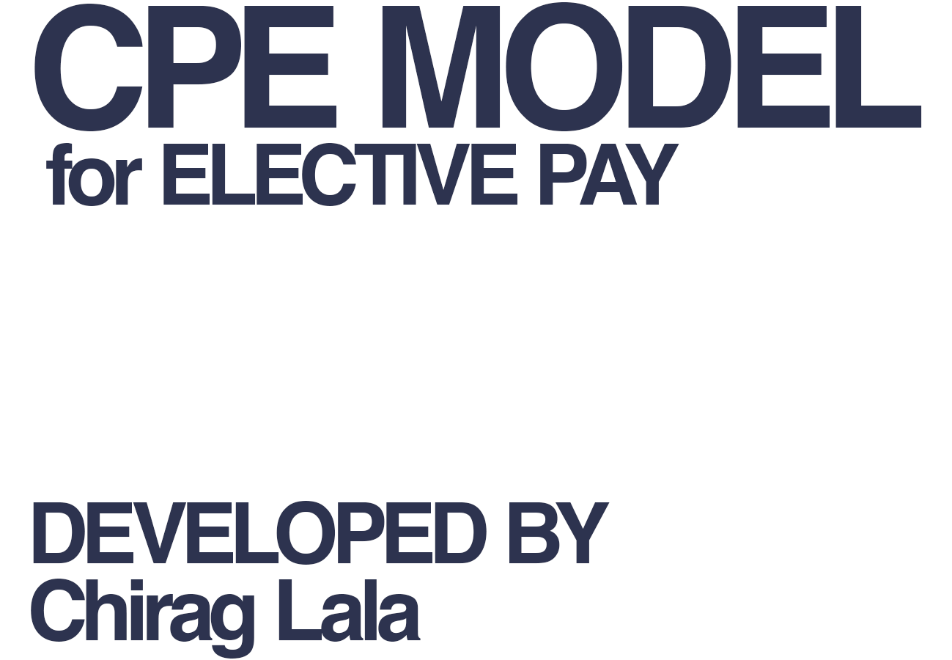

 | For more information on the CPE Elective Pay Model, see our website at
 | https://www.publicenterprise.org/reports/financial-model-for-elective-pay

 | For questions on the model that cannot be answered by the report, contact Chirag Lala:
 | Chirag.Lala@publicenterprise.org

Copyright 2023
Center for Public Enterprise

